Role wise competency
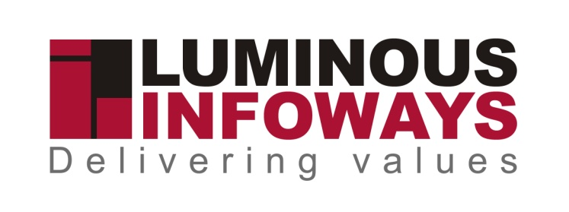

 |  |  | Role-Wise Competency Tracker

Organizational Role | Functional Role | Name | Technical Competency |  |  |  | Non-Technical Competency
 |  |  | Competency Area | Required Level | Current Level | Gap | Competency Area | Required Level | Current Level | Gap
Senior Management

Sr.Software Developer | 1. Making world class demonstrations & presentations as and when required for various projects. 2. Technical analysis, scope, collecting detailed specifications on Client requirement & system study. 3. Technical documentation on software requirements & specifications. 4. Recommend software and hardware solutions based on evaluation & analysis. 5. Develop software, architecture, specifications and technical interfaces 6. Customized application development by writing the programme codes, designing & database management etc based on software requirements & specifications. 7. Develop user interfaces and client displays. 8. Design, initiate and handle technical designs and complex application features. 9. Develop, deliver and test software prototypes. 10. Database Design. 11. Application module design 12. Manual testing of developed application. 13. Coordinating with corporate office & development center & ensuring delivery & execution of projects based on SRS within given timeline. 14. Implementing web service integration for android application. | Amaresh Samantaray | Competent |  | Sr.Software Developer | Positive

Middle Management

Web Designer | Delivery of world class websites from your team. Implementing new design techniques to make Luminous a market leader. Bridging gaps and motivating the team to innovate within timeline.Bridging gaps and motivating the team to innovate within timeline.Delivering world class Client presentations. Deployment and maintenance of the web assets of the company | Debi Prasad Behera | Good | Competent |  | Positive

Junior Management

System support Executive | Complete knowledge of the Website or Applications used by the client.Interaction with all the sections for content collection.Uploading of collected contents under various sections of the Website.Coordination with Support Team of Luminous Infoways in case of any difficulties in updation.Maintaining register regarding contents collected and uploaded.Oranizing monthly review meeting on the content updation status.Discussion with the various sections on the various processes of the Department.Identification of processes which can be automated.Immediate coordination with the Project Manager whenever such processes are identified. | Swadhin Mohanty | Good | Competent | System support Executive | Positive

Senior Management
Project Manager | Identify the right framework and technology to be used for developing a product, keeping in mind about the Client’s requirement.Identify the resource to be utilized against a defined task/project.Ensure delivery & execution of projects as by specifications provided and within given timeline in sync with organization’s goals & objectives.Technical analysis, scope, collecting detailed specifications on Client requirement & system study.Ensure that the developed product is free of bugs and errors.Develop architecture, specifications and technical interfaces. | Debasish Mishra | Good | Cmpetent | Project manager | Positive

Middle Management
System Architech | Participate in planning ,definition,and high level design of the solution and explore solution alternatives.Define subsytems and their interfaces:allocate responsibilities to subsytems,understand solution deployment and communicate requirements for interactionswith solution context .Operate within the economic framework to validate the economic impact of design decisions. | Samadhan Mishra | Good | Competent | System Architech | Positive

Middle Management
System Analyst | Make demonstrations & presentations to Clients.Providing onsite corporate training as and when required for various projects at Client side.Technical analysis | Satyakam Mishra | Good | Competent | Configuration Manager | positive

Middle Management
Qulaity Analyst | mplementing and providing inputs for test plans.Designing and creation of test cases and scenarios for software testing.Perform functional testing, regression testing and keep track of all the new developments.Use bug tracking software’s to track and report problems.Producing the evaluated test reports and take part in software walk through | Mausumi Panda | Good | Competent | Quality Analyst | positive

Middle Management
Sr.Developer | Coding, testing, designing & database management etc. Making world class presentation to Clients.Focus on assigned project as per the requirement.Ensuring project completion by sticking to project deadlines.Providing complete technical support to Client.Analyzing client requirements and preparing SRS and Technical Documentation.Regular research & development to improve existing products and develop new products.Train new staff on existing products | Subrat Rout | Good | Competent | Sr.Developer | Positive

Junior Management
UI Designer | Execute all visual design stages from concept to final hand-off to engineering Conceptualize original ideas that bring simplicity and user friendliness to complex design roadblocks.Create wireframes, storyboards, user flows, process flows and site maps to effectively communicate interaction and design ideas.Present and defend designs and key milestone deliverables to peers and executive level stakeholders.Conduct user research and evaluate user feedback.Establish and promote design guidelines, best practices and standards | Debi Prasad behera | Good | Competent | UI Designer | Positive

Middle Management
Android Developer | Design, develop, test and maintain Android mobile applications..Evaluate and communicate technical risk and ensure applications are deployed against a schedule with the highest quality possible.Communicate with team to help clarify concepts in order to achieve milestone objectives.Participate in meetings to share personal ideas on improving processesContribute own ideas for internal projects and guidelines. | Suhasini Reddy | Good | Competent | Android Developer | Positive

Middle Management
Software Developer | Coding, testing, designing & database management etc. Making world class presentation to Clients.Focus on assigned project as per the requirement.Ensuring project completion by sticking to project deadlines.Providing complete technical support to Client.Analyzing client requirements and preparing SRS and Technical Documentation.Regular research & development to improve existing products and develop new products.Train new staff on existing products | Debasirita Mohanty | Good | Competent | Software Developer | Positive

Middle Management
Android Developer | Design, develop, test and maintain Android mobile applications..Evaluate and communicate technical risk and ensure applications are deployed against a schedule with the highest quality possible.Communicate with team to help clarify concepts in order to achieve milestone objectives.Participate in meetings to share personal ideas on improving processesContribute own ideas for internal projects and guidelines. | Amaresh Samantarya | Good | Competent | Android Developer | Positive

 | Preparation of Requirement Solution Document, Presentations, etc. | 2 | Limited | Positive
 |  | 3 | Moderate | Essential
 |  | 4 | Good | Critical
 |  | 5 | Competent | Alternate Management

